HK97 Variants
UPDATED VIRUS/VIRUS PARTICLE STOCK -- BIER GROUP (CMU)

Instructions for updating/modifying workbook:
1) Save file to identical filename "Complete_Virus_Inventory_Updated.xlsx"
2) Change update date and user initials in cell A10
3) Save updated file to appropriate directory on group webpage if you have access/credentials or send to MEB or LDP for uploading to web.

Date of last update: 09/30/2015 by LDP
 |  |  |  |  |  |  |  |  |  | High Mass | Low Mass (monomer)
Rack/Tube No. | Host | WT or Mutation | Designation | Concentration | Buffer | Date Made, Name | Date Received, Name | Est. Volume Remaining (mL) | Last Used by | Spectral Quality 1-10 | Spectral Quality 1-10 | Notes | Dm from WT (Da)
Blue long | HK97 | WT | Head II | 10.9 mg/mL | 20mM Tris-HCl pH 7.5, 20mM NaCl | 03/03/2014, JBM | 08/02/2017, LDP | 1 | LDP
Blue long | HK97 | S41C | Prohead I | ? | PBS; 20mM PO4, pH 7.5, 100mM KCl | 08/2012, RD | 08/02/2017, LDP | 0.1 | LDP
Blue long | HK97 | R372A | Capsids | 38 mg/mL | 20mM Tris-HCl pH 7.5, 20mM NaCl | 07/26/2017, JBM | 08/02/2017, LDP | 0.1 | LDP
Blue long | HK97 | R130A | Head II | ? | 20mM Tris-HCl pH 7.5, 20mM NaCl | 11/26/2013, JBM | 08/02/2017, LDP | 0.1 | LDP
Blue long | HK97 | WT | Prohead II | ? | ? | 08/03/2017, JBM | 08/02/2017, LDP | 0.1 | LDP |  |  | control
Blue long | HK97 | WT | Head II | ? | ? | 08/03/2017, JBM | 08/02/2017, LDP | 0.1 | LDP |  |  | DMF expanded
Blue long | HK97 | WT | EI-III | 11 mg/mL | 50mM citric acid, 200mM KCl pH 4 | 11/23/2015, JBM | 11/23/2015, LDP | 1 | LDP
Blue long | l | WT | Tail | 4 mg/mL | 20mM Tris-HCl pH 7.5, 100mM NaCl, 1mM EDTA | 10/2015, PC | 10/20/2015, LDP | 0.2 | LDP | 1 | 10 | Mg is bad for stability.
Blue long | HK97 | WT | Head II | 28.56 mg/mL | 20mM Tris-HCl pH 7.5, 40mM NaCl | 10/15/2015, JBM | 10/20/2015, LDP | 0.2 | LDP |  |  | Urea expanded
Blue long | HK97 | WT | Head II | 22.77 mg/mL | 20mM Tris-HCl pH 7.5, 40mM NaCl | 10/15/2015, JBM | 10/20/2015, LDP | 0.2 | LDP |  |  | DMF expanded
Blue long | HK97 | WT | Prohead II | 31 mg/mL | 20mM Tris-HCl pH 7.5, 40mM NaCl | 10/09/2015, JBM | 10/20/2015, LDP | 0.2 | LDP |  |  | Minor population expanded
Blue long | HK97 | Fusion | Delta86compFusion5 | conc. & dilute | ? | 10/2015, RLD | 10/20/2015, LDP | 0.2 | LDP
Blue long | HK97 | Fusion | Delta93compFusion6 | conc. & dilute | ? | 10/2015, RLD | 10/20/2015, LDP | 0.2 | LDP
Blue long | HK97 | S41C | Prohead I | ? | PBS | 2010, BAF | 10/07/2015, LDP | 0.05 | LDP
Blue long | HK97 | WT | Head II | 30.57 mg/mL | 20mM Tris-HCl pH 7.5, 40mM NaCl | 09/17/2015, JBM | 09/17/2015, LDP | 0.2 | LDP | 1 | 8 |  | 0
Blue long | HK97 | WT | Head II | 11.75 mg/mL | 20mM Tris-HCl pH 7.5, 40mM NaCl | 01/26/2010, BL | 09/16/2015, LDP | 0.1 | LDP | 7 |  |  | 0
Blue long | HK97 | R130A | Head II | 10 mg/mL | 20mM Tris-HCl pH 7.5, 100mM NaCl | 12/20/2013, JBM | 09/16/2015, LDP | 0.2 | LDP | 4 |  |  | -35,745.70
Blue long | HK97 | R131A | Head II | 11 mg/mL | 20mM Tris-HCl pH 7.5, 100mM NaCl | 12/20/2013, JBM | 09/16/2015, LDP | 0.2 | LDP | 9 | 6 |  | -35,745.70
Blue long | HK97 | R130A | Head II | 31 mg/mL | 20mM Tris-HCl pH 7.5, 100mM NaCl | 08/2015, ? | 08/26/2015, LDP | 0.1 | LDP | 8 | 1 | Orange cap. 100% crosslinked confirmed by SDS | -35,745.70
Blue long | HK97 | WT | Head II | 10 mg/mL | 20mM Tris-HCl pH 7.5, 40mM NaCl | 03/03/2014, JBM | 08/26/2015, LDP | 1 | LDP | 5 | 3 | Green cap. Shows more fragmentation than previous WT Head II | 0.00
Blue long-T21 | HK97 | WT | Head II | 10.9 mg/mL | 20mM Tris-HCl pH 7.5, 40mM NaCl | 03/03/2014, JBM | 03/03/2014, MEB | 0.1 | LDP | 5 | 3 | Green cap. Spectral quality diminished over time | 0.00
Blue long | HK97 | WT | virion | 9.50 x 1012 pfu/mL | 10mM Tris-HCl, 10mM MgSO4 | 03/11/2014, LDP | 03/11/2014, LDP | 0.35 | LDP | 1 | 3 | CsCl purified, last assay 03/12/2014 | 0.00
Blue long | HK97 | WT | virion | >9.50 x 1013 pfu/mL | 10mM Tris-HCl, 10mM MgSO4 | 03/31/2015, LDP | 03/31/2015, LDP | 0.02 | LDP | 1 | 1 | >10X concentrated on Microcon centrifugal filter | 0.00
Blue long | HK97 | WT | ? | ? | 10mM Tris-HCl, 10mM MgSO4 | 03/06/2014, LDP | 03/06/2014, LDP | 1.2 | LDP |  | 1 | Supernatent from phage PEG8000 pelleting. Unlikely to have anything in it. | 0.00
Blue long | HK97 | WT | ? | ? | 10mM Tris-HCl, 10mM MgSO4 | 03/11/2014, LDP | 03/11/2014, LDP | 0.5 | LDP |  | 1 | Minor CsCl gradient band. p<1.5 g/mL | 0.00
Blue long | HK97 | WT | ? | ? | 10mM Tris-HCl, 10mM MgSO4 | 03/11/2014, LDP | 03/11/2014, LDP | 0.5 | LDP |  | 1 | Minor CsCl gradient band. p>1.5 g/mL | 0.00
Blue long | HK97 | WT | virion | ? | 10mM Tris-HCl, 10mM MgSO4 | 03/04/2014, LDP | 03/04/2014, LDP | 1.2 | LDP |  | 4 | PEG8000 purified phage | 0.00
Foam 5x4-T9 | D3 | WT | Prohead II | 32.7 mg/mL | 20mM Tris-HCl, 40mM NaCl | 03/08/2008, JM3 | 03/21/2008, DMS/MEB | 0.1 | LDP | 2 | 7 |  | 0.00
Foam 5x4-T10 | HK97 | Monster | Prohead I | 4.08 mg/mL | 10mM Tris-HCl pH 7.5, 20mM NaCl | 09/20/2006 or 10/07/2006, ? | MEB | 0.75 | LDP | 4 | 2 | Red top | 0.00
Foam 5x4-T11 | HK97 | Monster | Prohead I | 4.38 mg/mL | Tris-Acetate-Mg buffer - high salt | 09/20/2006 or 10/07/2006, ? | MEB | 0.65 | LDP | 1 | 2 | Blue top | 0.00
Foam 5x4-T12 | D3 | WT | Prohead II | 22 mg/mL | 10 mM Tris-HCl pH 7.5, 5 mM NaCl | 03/27/2008, BAF | MEB | 0.01 | LDP | 1 | 2 | dialyzed | 0.00
Foam 5x4-T13 | HK97 | WT | Capsomers | 0.7 mg/mL | 10 mM Tris-HCl pH 7.5, 5 mM NaCl | 03/25/2008, BAF | MEB | 0.075 | LDP | 1 | 9 |  | 0.00
Foam 5x4-T15 | HK97 | WT | Head II | 26.93 mg/mL | ? | 12/11/2012, JM | MEB | 0.1 | LDP | 6 | 2 |  | 0.00
Foam 5x4-T17 | HK97 | R365K | Head II | 7.05 mg/mL | ? | 11/05/2010, BAF | MEB | 0.35 | LDP | 9 | 3 |  | -11,765.63
Foam 5x4-T18 | HK97 | K169Y | Head I | 11 mg/mL | Calorimetry PBS | 03/31/2011, BAF | MEB | 0.075 | LDP | 1 | 8 |  | 14,700.76
Foam 5x4-T19 | HK97 | "stumpy" e-loop truncated | Prohead II APGDC1 | 44.5 mg/mL | ? | 05/10/2005, CKM | MEB | 0.25 | LDP | 1 | 6
Foam 5x4-T20 | HK97 | Gene Prod of Lambda D gene | Prohead I w/ GPD M14 | 27.1 mg/mL | ? | ? | MEB | 0.02 | LDP | 1 | 3 | HK97 PI with gene product of gene lambda geneD inside; 22,931 cargo; 30-50 copies inside, protease linked to other protein | 917,240.00
...
Date of last update: 09/30/2015 by LDP
Green short VIRUS 2 | HK97 | C362S | Head II | 1.57 mg/mL | 20mM Tris-HCl, 20mM NaCl | 1996, ? | ? | 0.25 | LDP | 9 | 3
Green short VIRUS 2 | HK97 | W336F | Prohead II | 2.17 mg/mL | 20mM Tris-HCl, 20mM NaCl | 1996, ? | ? | 0.25 | LDP | 1 | 7
Yellow short VIRUS 3 | HK97 | K169Y | Head I | 5.03 mg/mL | 20mM Tris-HCl, 20mM NaCl | 1996, ? | ? | 0.01 | LDP | 1 | 9
Yellow short VIRUS 3 | HK97 | WT | Head II | 0.16 mg/mL | 20mM Tris-HCl pH 7.5, 40mM LiCl | 11/29/2006, BAF | ? | 0.1 | LDP | 1 | 1
Yellow short VIRUS 3 | HK97 | WT | Head II | 6.13 mg/mL | 20mM Tris-HCl, 20mM NaCl | 1998, ? | ? | 0.1 | LDP | 8 | 1
Yellow short VIRUS 3 | HK97 | WT | virion | 2.9 mg/mL | ? | 01/29/2007, BAF | ? | 0.5 | LDP | 1 | 1
Yellow short VIRUS 3 | HK97 | WT | virion | 4.06 mg/mL | 20mM Tris-HCl, 20mM NaCl | 2007, ? | ? | 0.2 | LDP | 1 | 1

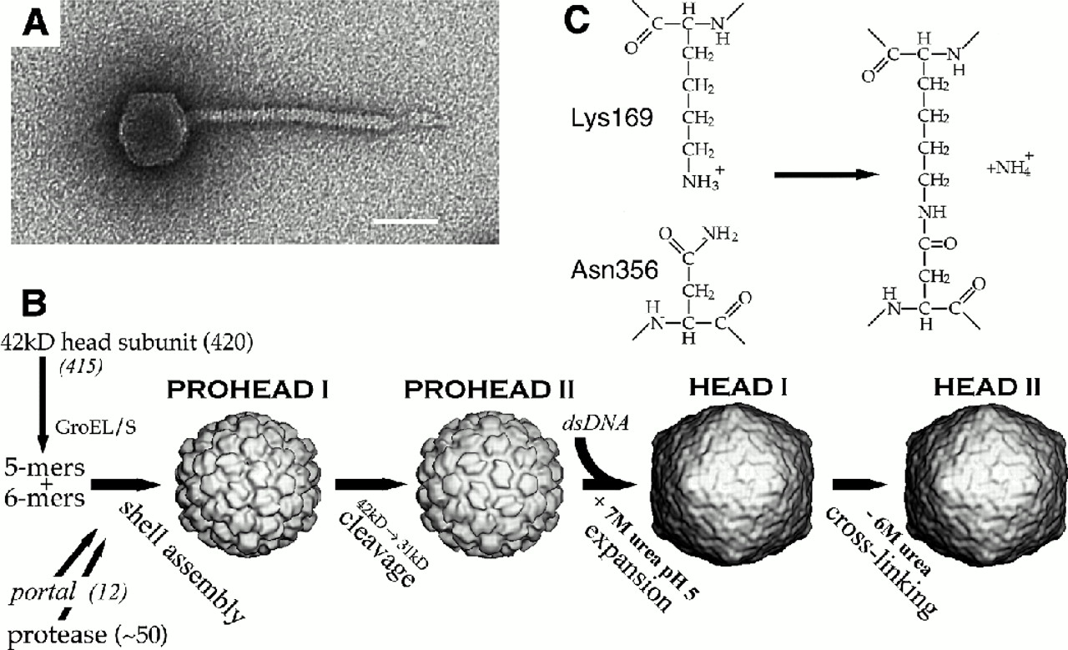
HK97 Maturation Cycle: |  |  |  |  |  | HK97 Virus/Virus ParticleMWs:
 |  |  |  |  |  | Prohead I | 17,679,640.86 | Da
 |  |  |  |  |  | Prohead II | 12,918,225.60 | Da
 |  |  |  |  |  | Head I | 12,918,225.60 | Da
 |  |  |  |  |  | Head II | 12,910,739.62 | Da
 |  |  |  |  |  | gp5 (full) | 42,111.41 | Da
 |  |  |  |  |  | gp5 (cleaved) | 30,757.68 | Da
 |  |  |  |  |  | gp4 | 24,391.54 | Da
 |  |  |  |  |  | gp3 | 47,266.61 | Da
 |  |  |  |  |  | virion* | 46,952,222.67 | Da

 |  |  |  |  |  | *best estimate of virion MW; much of the tail composition is unknown

